Sheet 1 - National Parks Challe
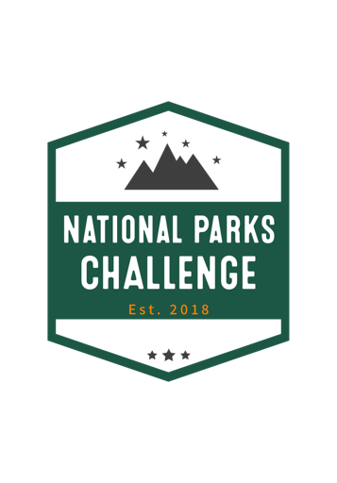
National Parks Challenge Tracking Sheet
National Park | Pt Value | Completion Date | Pts. Submitted
Acadia | 8
American Samoa | 5
Arches | 6
Badlands | 9
Big Bend | 8
Bryce Canyon | 7
Carlsbad Caverns | 5
Crater Lake | 8
Death Valley | 10
Denali | 10
Everglades | 5
Glacier | 8
Glacier Bay | 8
Grand Canyon | 12
Grand Teton | 10
Great Basin | 7
Great Sand Dunes | 7
Great Smoky Mountains | 10
Haleakala | 7
Hot Springs | 6
Joshua Tree | 8
Mount Rainier | 9
Olympic | 9
Redwood | 7
Rocky Mountain | 10
Shenandoah | 8
Virgin Islands | 5
Yellowstone | 10
Yosemite | 6
Zion | 7
Total Points | 235 |  | 0

